PSB-2021-124
GTAP. DATA INPUT FOR PURCHASE ORDER REQUEST SHEET

(เพื่อตรวจสอบราคาตลาด)
(เพื่อทำการสั่งซื้อ)
For User (กรุณากรอกข้อมูลให้ครบทุกช่อง) |  | * Product Type. |  | Reson of Order (เหตุผลในการสั้งซื้อ) |  | Doc. No.
Issue Date : | 2026-05-22 |  |  | Purpose : | Marker Price Investigate Purchase Product | PSB-2024-007
Request Date : | 2026-06-05 |  |  | Purpost Description (รายละเอียดวัตถุประสงค์ที่สั้งซื้อ)
Factory Place * : | TGT2 |  |  |  |  | Order Type
User Name : | Ms.Nalinee Kongsak
Air / Urgent
Department : | PR30 |  |  |  | For support Dead stock of model 320D.
Section : | PRA
Normal
Ext. No. : | 1124
E-Mail *: | Nalinee.kongsak@tgt.co.th
Sourcing Request Description

 |  |  |  |  |  |  | TGT / TGRT / PDO (PUR) |  | TGAS / PPA
 |  |  |  |  |  |  | BOI | ODC

ISO TS Form: FM-PB30/PBA-A-09 REV.07 EFF.DATE 15 Oct 2016 |  |  | ** ถ้าเป็นBudget 11603,12603 ไม่ต้องส่งแผนกบัญชี

detail D92A KRT
By User |  |  |  |  |  |  |  |  | By Buyer |  |  |  |  |  |  |  |  |  | BY TGAS/MK (Budget 11603/12603 Only)
No | Product Description |  | Q'ty | Unit | "√" แนบSpec |  |  | Budget Number | GTAP Code | New | Old | Supplier Code | Delivery Lead Time (Day) | Currency | Q'ty/ Box | Pur. Unit (หน่วย) | Price Con. Factor | MOQ. | Cost Ratio (%) | BOI |  | Root cause of Loss Profit (Cost Ratio > 100%)
 | Model | Product No. |  |  | DraWing Picture | Spec. Sheet | Sample part |  | GTAP Name |  |  | Supplier Name |  | Price |  |  |  |  | Sale Price |  |  | Sale Price | PUR Price | Over Spec. | Other / Remark
 |  | Product Name |  |  |  |  |  |  |  | √ | √ |  |  |  |  |  |  |  |  | Yes | No
1 | 2JA | GG500-00920-B | 1 | Set | - | - | - | 65102 | TG-GG500-00920-B-Jig Assy | P |  | PCP | 14 | THB | 1 | Set | - | 1 | %
 |  | SEAL C |  |  |  |  |  |  | 2JA SEAL C |  |  |  |  | 7,000.00

Remark For case Nitto Denko discontinues tape hyper joint support part no.GG500-00920,00950 SEAL C,F Model 2JA |  |  |  |  |  |  |  |  |  |  |  |  |  |  |  |  |  |  | Payment Condition |  |  |  |  | MK Confirm Payment
Customer Pay
TGT Pay

Sheet2
By User |  |  |  |  |  |  |  |  | By Buyer |  |  |  |  |  |  |  |  |  | BY TGAS/MK (Budget 11603/12603 Only)
No | Product Description |  | Q'ty | Unit | "√" แนบSpec |  |  | Budget Number | GTAP Code | New | Old | Supplier Code | Delivery Lead Time (Day) | Currency | Q'ty/ Box | Pur. Unit (หน่วย) | Price Con. Factor | MOQ. | Cost Ratio (%) | BOI |  | Root cause of Loss Profit (Cost Ratio > 100%)
 | Model | Product No. |  |  | DraWing Picture | Spec. Sheet | Sample part |  | GTAP Name |  |  | Supplier Name |  | Price |  |  |  |  | Sale Price |  |  | Sale Price | PUR Price | Over Spec. | Other / Remark
 |  | Product Name |  |  |  |  |  |  |  | √ | √ |  |  |  |  |  |  |  |  | Yes | No
1 | 046D | 55480-0D320 | 1 | Set | - | - | - | 11603 | SJGN - | P |  | TKT | 30 | THB/USD/JPY | 1 | SET | - | 1 | %
 |  | PANEL ASSY INSTRUMENT PANEL FINISH LWR |  |  |  |  |  |  | 046D 55446-0D280 JIG ASSY BASE SWITCH HOLE No.1 |  |  |  |  | 25,000
2 | 046D | 55480-0D320 | 1 | Set | - | - | - | 11603 | SJGN - | P |  | TKT | 30 | THB/USD/JPY | 1 | SET | - | 1 | %
 |  | PANEL ASSY INSTRUMENT PANEL FINISH LWR |  |  |  |  |  |  | 046D 55440-0D270 JIG ASSY BOX ASSY INSTRUMENT PANEL |  |  |  |  | 25,000
 |  |  |  |  |  |  |  |  |  |  |  |  |  | THB/USD/JPY |  |  |  |  | %

 |  |  |  |  |  |  |  |  |  |  |  |  |  | THB/USD/JPY |  |  |  |  | %

 |  |  |  |  |  |  |  |  |  |  |  |  |  | THB/USD/JPY |  |  |  |  | %

 |  |  |  |  |  |  |  |  |  |  |  |  |  | THB/USD/JPY |  |  |  |  | %

Remark |  |  |  |  |  |  |  |  |  |  |  |  |  |  |  |  |  |  | Payment Condition |  |  |  |  | MK Confirm Payment
Customer Pay
TGT Pay

Sheet1
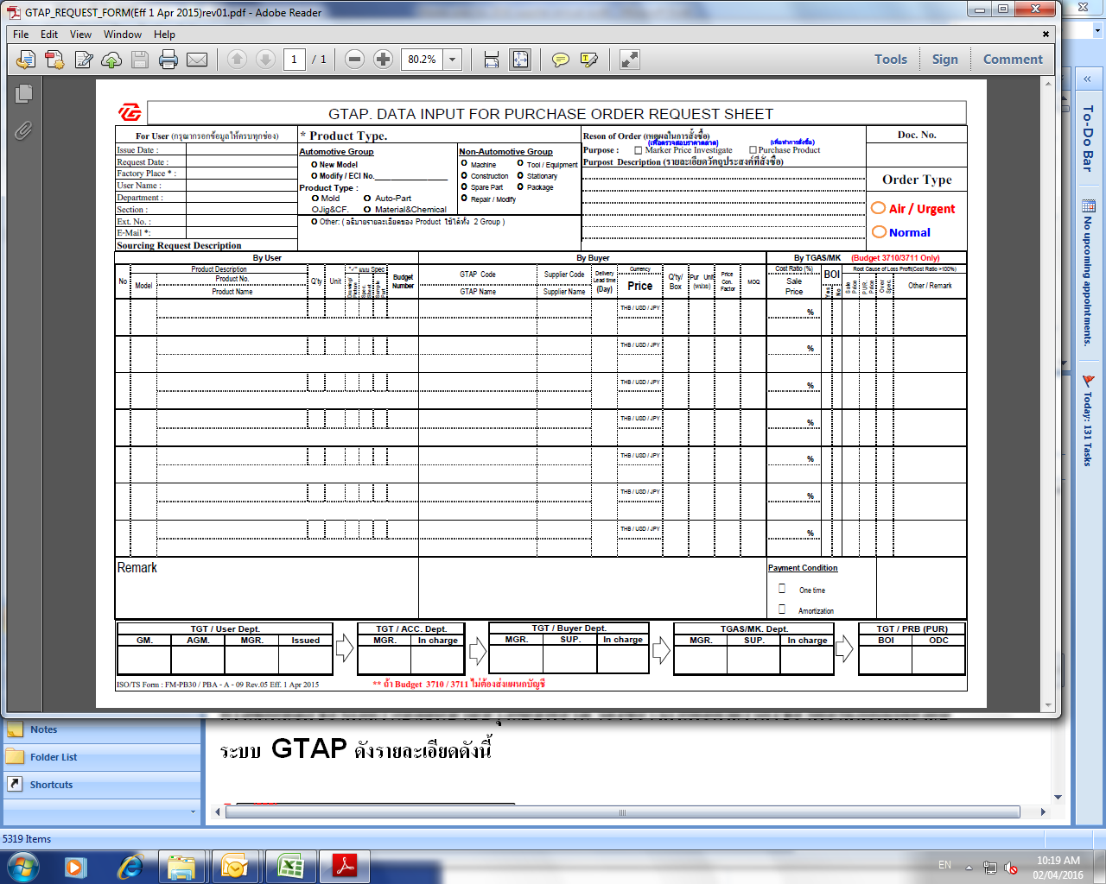

New
Rev.06
Current
Rev.05

Changing point:
Sign box details

ISO TS Form: FM-PB30/PBA-A-09 REV.05 EFF.DATE 1 April 2015
ISO TS Form: FM-PB30/PBA-A-09 REV.06 EFF.DATE 1 April 2016

